ReadME
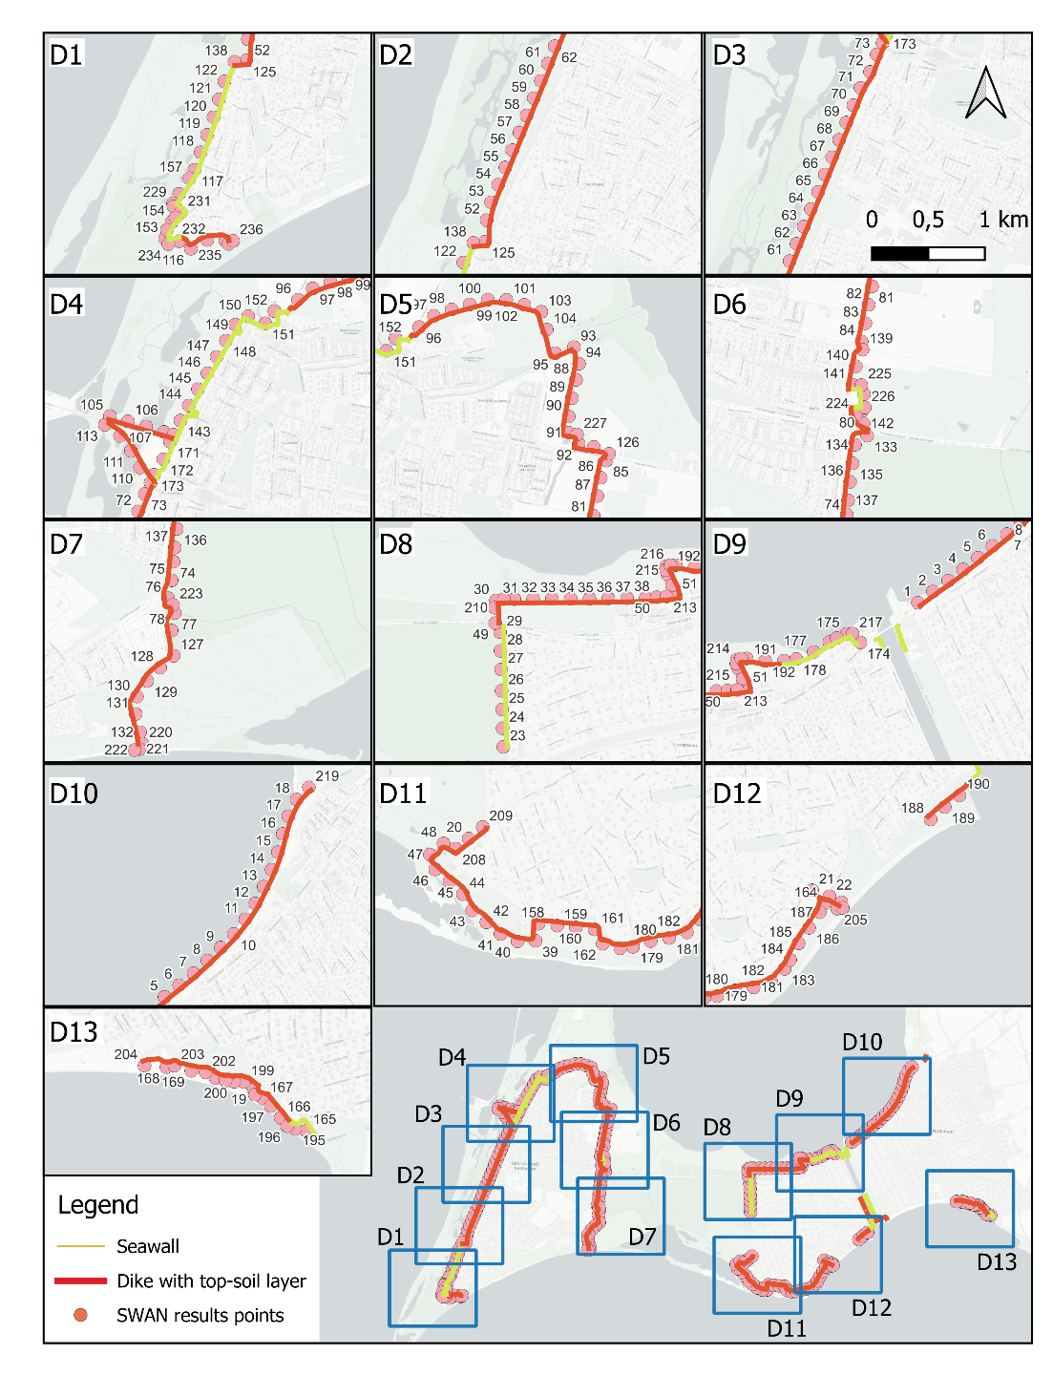
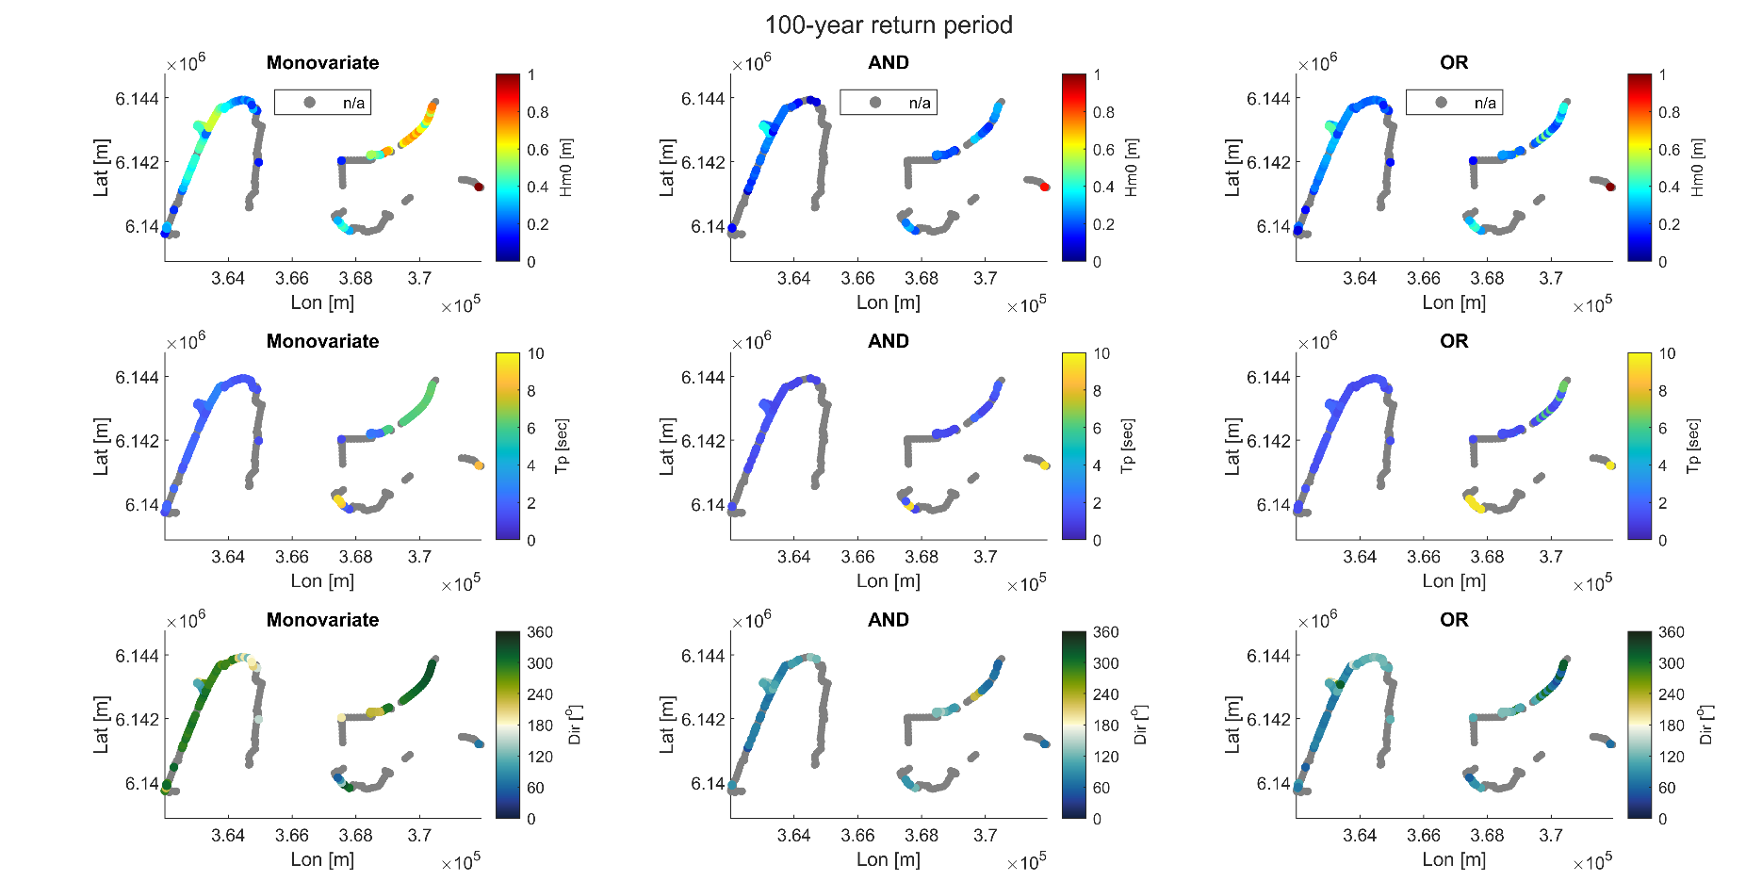
Background and Methodology This document provides an overview of the steps taken to define the wave and water level conditions at the toe of the dike. All the coordinates used in this work are expressed according to the Swedish naitonal refrence systems: EPSG:3006 - SWEREF99 TM for the coordinates and the RH2000 for the vertical datum. Data Collection Hourly wave data were obtained from the hindcast model managed by the University of Lund (Adell et al., 2023). Specifically: - Data from model extraction point 10195 (Lat: 353285m- Long: 6141052m), located on the west side of the Falsterbo peninsula, were used to characterize northern storms. - Data from model extraction point 10958 (Lat: 367538m- Long: 6129815m), located south of the Falsterbo peninsula, were used to describe south-eastern and south-western storms. Hourly water level data were retrieved from the open-access SMHI database, using records from the station located in Ystad (Lat: 425094m - Long: 6141800m) for this study. Extreme Value Analysis and Wave Simulations For each storm direction, both univariate and multivariate extreme value analyses were performed to determine the boundary conditions (wave parameters and water level) needed for the wave simulations. These simulations were conducted using SWAN, an open-access numerical wave model. In the monovariate analysis, wave and water level conditions were considered as completely uncorrelated events. This means that for a given return period (e.g., 100 years), the 100-year wave conditions and the 100-year water level were assumed to occur simultaneously, even though their actual correlation may be different. Results and Dataset Structure The final dataset provides wave climate parameters (Hs, Tp, and direction) and water depth along the dike perimeter, categorized into three scenarios: - Monovariate analysis - Multivariate "OR" Scenario - Multivariate "AND" Scenario "AND" Scenario: This case represents the joint

 |  | d

DATASET STRUCTURE
Rows: | The total table is composed of 1656 rows. 1652 data rows distributed as 236 rows for each of the 7 return periods and 4 header rows at the top
Column A: | Code of the points along the dike toe development (see map here and in GitHUB for larger size)
Column B&C: | Coordinate of the points along the dike toe development with respect to the natinal coordiante system EPSG:3006 - SWEREF99 TM
Column D: | Elevation of the points along the dike toe development with respect of the national reference RH2000
Column E: | Return period
Column F: | Largest resulting Hm0 for each of the point along the dike toe resulting from the monovariate extreme value analysis
Column G: | TP associated with the largest resulting Hm0 for each of the point along the dike toe resulting from the monovariate extreme value analysis
Column H: | Wave direction associated with the largest resulting Hm0 for each of the point along the dike toe resulting from the monovariate extreme value analysis
Column I: | Water depth (i.e. elevation in column D + return value) for each of the point along the dike toe resulting from the monovariate extreme value analysis
Column J: | Largest resulting Hm0 for each of the point along the dike toe resulting from the multivariate extreme value analysis considering the OR scenario
Column K: | TP associated with the largest resulting Hm0 for each of the point along the dike toe resulting from the multivariate extreme value analysis considering the OR scenario
Column L: | Wave direction associated with the largest resulting Hm0 for each of the point along the dike toe resulting from the multivariate extreme value analysis considering the OR scenario
Column M: | Water depth (i.e. elevation in column D + return value) for each of the point along the dike toe resulting from the multivariate extreme value analysis considering the OR scenario
Column N: | Largest resulting Hm0 for each of the point along the dike toe resulting from the multivariate extreme value analysis considering the AND scenario
Column O: | TP associated with the largest resulting Hm0 for each of the point along the dike toe resulting from the multivariate extreme value analysis considering the AND scenario
Column P: | Wave direction associated with the largest resulting Hm0 for each of the point along the dike toe resulting from the multivariate extreme value analysis considering the AND scenario
Column Q: | Water depth (i.e. elevation in column D + return value) for each of the point along the dike toe resulting from the multivariate extreme value analysis considering the AND scenario

